Hiearchy View
CLASS: DATA TRANSLATOR
converting data from the form used by one system into the form required by another | 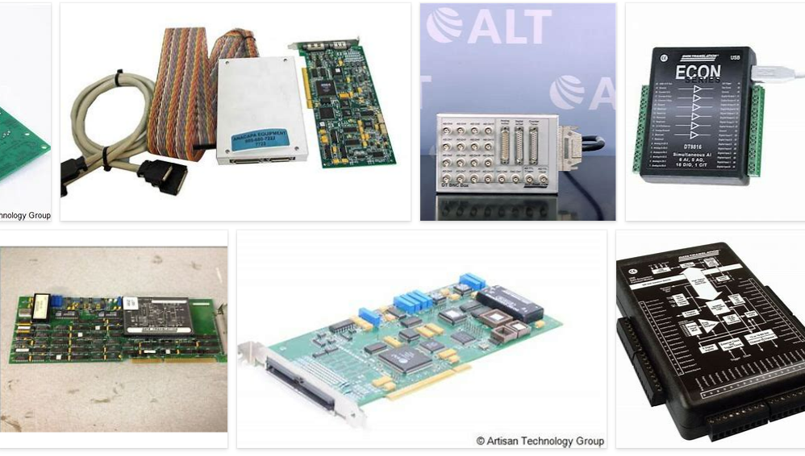
REMOVE | N

PROBLEM_DESC | CAUSE_DESC | REMEDY_DESC
BROKEN/DAMAGED
OTHER PROBLEM
OVERHEATING
POWER-ELEC
STOPPED/SLOWED/POOR OPS
TEMP-CTRL
VIBRATION
Grand Total

